D2L_DROPBOX_FILENAME_GENERATOR
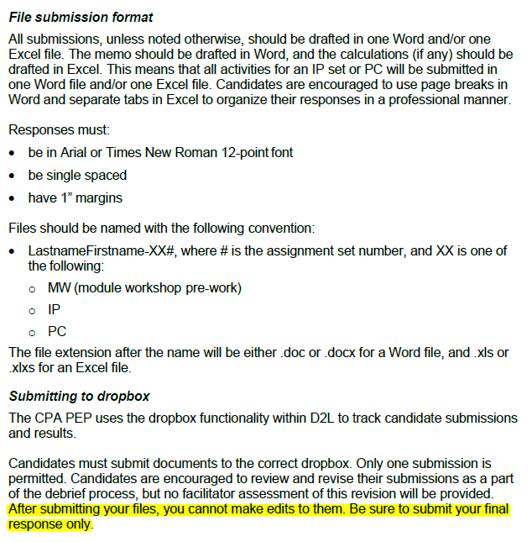

CPAWSB D2L Dropbox Filename Generator
Last updated: 2020-09-29 (FALL)
Please ensure you are using the most recent version.

Candidate Information (as it appears in D2L):

First Name

Last Name

Submission Information:

Submission | Please select from menu.

Filename: | FALSE

Please complete all yellow cells above to generate a valid 'filename'.

If you encouter issues, or have any suggestions, please email (from an external email address):
learnersupport@cpawsb.ca

 |  | Last updated: 2020-04-21 (SPRING)
 |  | CPA Canada Candidate Guide (pg. 26)
 |  | https://www.cpacanada.ca/en/become-a-cpa/pathways-to-becoming-a-cpa/national-education-resources/cpa-pep-candidate-guide

